Sheet1
Information Architecture By James Lewis
Website was selected. URL: www.dietdoctor.com
Tree Diagram

 |  |  | Low Carb

 |  | Food | Recipes | Benefits | Stories | Side Effects | Keto | Get Started

 |  |  | Recipes

 |  | Meals | Breakfast | Sides | Condiments | Snacks | Desserts | Bread

HOME PAGE
 |  |  | Lose Weight

 |  | Stories |  | Videos | Science | Blog | Get Started

 |  |  | Diabetes

 |  | Stories |  | Videos | Blog | Get Started

 |  |  | News

 |  | Blog News | Last Comments |  | Topics & Archives |  | Free Updates

 |  |  |  | Membership

 |  |  |  | Join free for a Month

Page schematic for the Home page of the site/app.
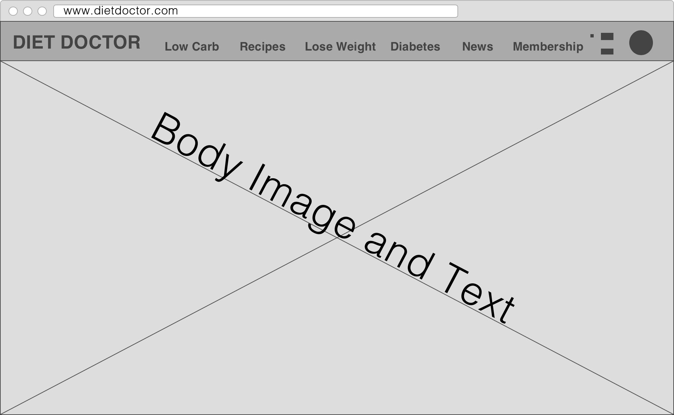

 |  |  |  |  |  |  |  | Header & Nav

 |  |  |  |  |  |  |  | Body Content; Images text and hyperlinks

 |  |  |  |  |  |  |  | Footer

 | My observations and reflections about how the information architecture affects the usability and user experience of this site/app.

 | In my own words, according to my observations and reflections about how the information architecture affects the usability and user experience is that information architecture will help you focus on user needs as well as eliminate content that's not needed. I noticed that the design flowed well and the subheaders in the menu were applicable. The site is responsive so the desktop version works as well as the mobile version of the site/app.

 | I also like the fact the site lets you know that if you continue using the site you are accepting the use of cookies. You can click "I understand" or "Read more". The site uses "flat design" and it works well. The site is extremely heavy on information which isn't a bad thing. The colors work well and the layout isn't perfect but it gets the job done. So the site was "well-designed" not speaking much more on functionality.

